Resources
Data Source / Report | What it Covers | Direct Link | Important resources to look upon from the RBI Annual Report
NHB Residex | City-wise property price indices | NHB Residex Official Portal | FOREIGN DIRECT INVESTMENT FLOWS TO INDIA: COUNTRY-WISE AND INDUSTRY-WISE https://rbidocs.rbi.org.in/rdocs/AnnualReport/PDFs/09APPENDIXT29052025515F3AE6E90345B89C5A5E978CF1B29A.PDF
RBI: Inward Remittance Reports | Annual/quarterly remittance flows, country & purpose split | RBI Remittance Bulletin (sample) | ECONOMIC REVIEW https://rbidocs.rbi.org.in/rdocs/AnnualReport/PDFs/02ECONOMIC2905202508F757396C584F1386DF1890664A7B50.PDF
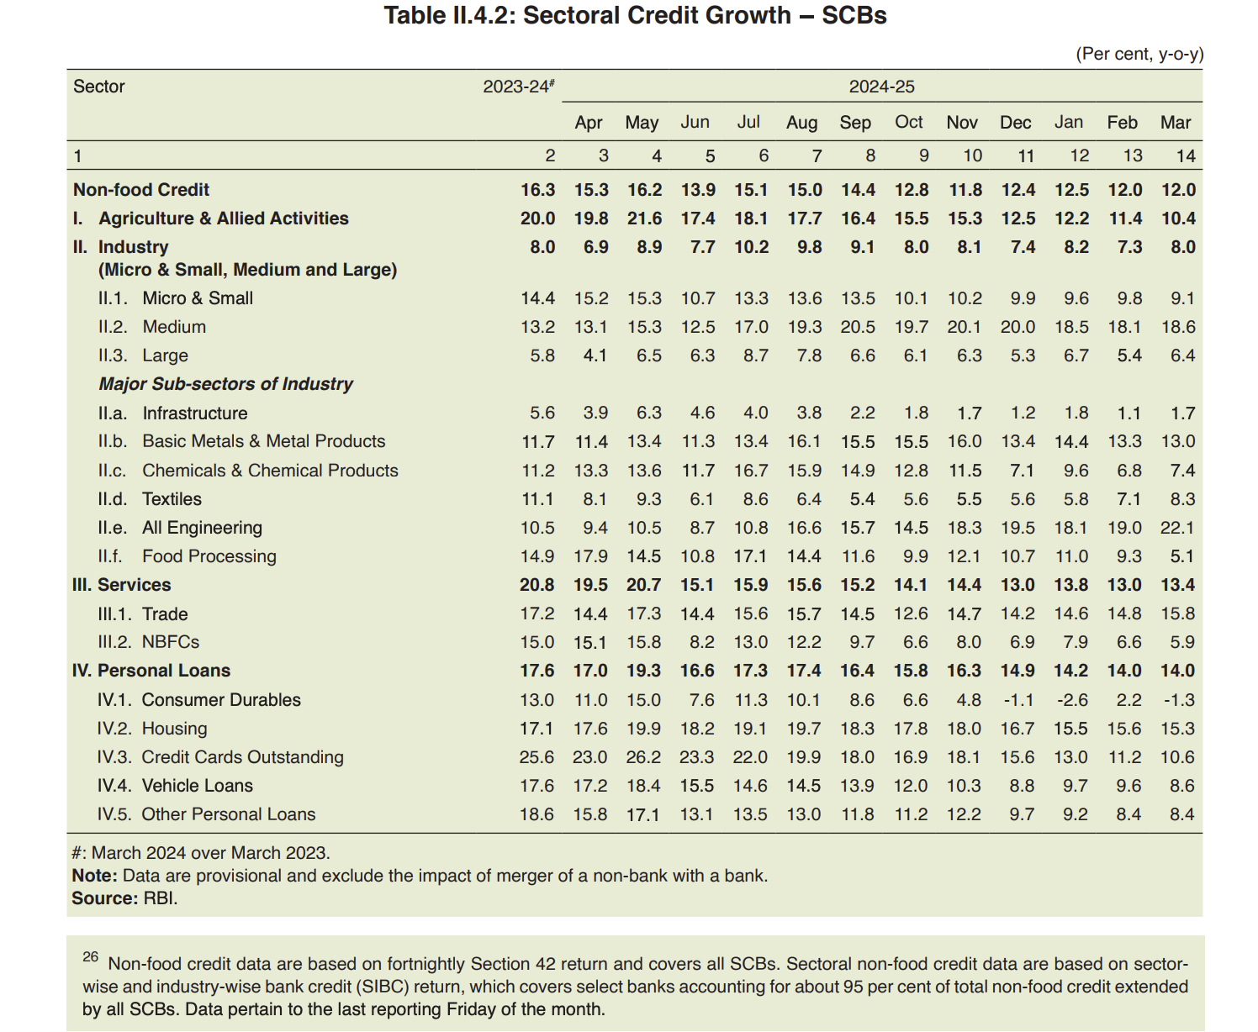
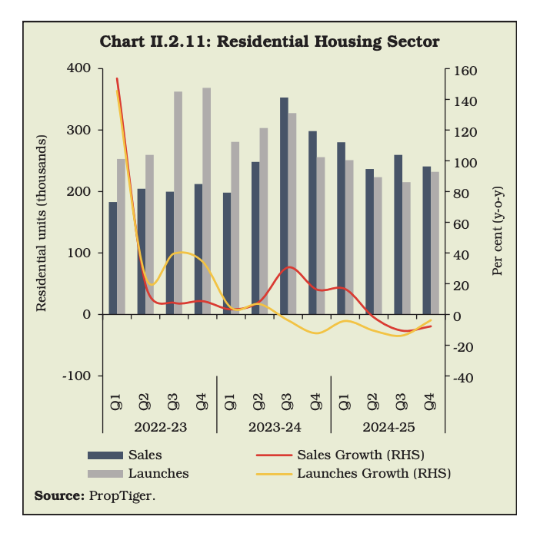
MEA: NRI/OCI Population Stats | Country-wise NRI and OCI cardholders | MEA NRI/PIO Stats
JLL India Research | NRI real estate investment trends, city preferences | JLL Research Hub
Knight Frank India Reports | Buyer segment analysis, price trends | Knight Frank Reports
PropTiger NRI Reports | NRI buying, property types, budget trends | PropTiger Research
Anarock NRI/Market Research | Segment demand, macro/micro trends, region insights | Anarock Research
Google Trends | Search spikes by region and period for property keywords | Google Trends
Economic Times, Business Standard | News on remittance, market, event-driven campaign trends | Economic Times NRI Real Estate
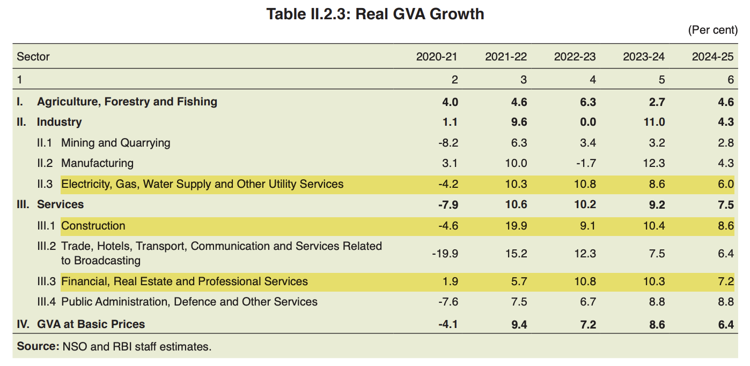
MEA / RBI / Industry Whitepapers | NRI sentiment, risk appetite, festival remittance cycles | CII-NRI Reports

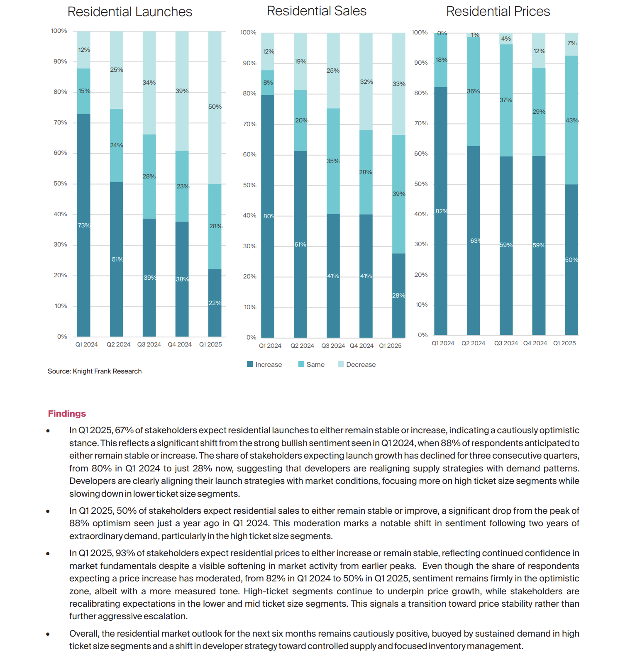
Kntight Frank Sentiment Analysis Report:

 |  |  | Important Resources to look upon from CII NRI report
 |  |  | CII Economy Dashboard (July 2025) https://www.mycii.in/KmResourceApplication/77785.July2025DataDashboard.pdf

 |  |  | Useful reports from PropTiger
 |  |  | Reports taht will help NRIs believe that investment in India is like incentive for them https://www.proptiger.com/guide/post/rising-from-the-rupee-fall-why-nris-may-flock-to-indian-real-estate
 |  |  | Report to help NRIs decide which indian cities are best for investment: https://www.proptiger.com/guide/post/6-emerging-real-estate-destinations-for-nris

